Facebook GR Management
Add game op | Facebook Report | Create Member | Deposit/withdrawl | Today Earing | 1200
Daily report (comes with ref image) | Detailed Report |  |  | Yesterday | 2000 |  |  | Calculated
 | Search> |  | Submit | Week Earning | 5000 |  |  |  |  |  |  |  | Payment
 | 1 | 2 | 3 | 4 | 5 | 6 | 7 | 8 | 9 | 10 | 11 | 12 | 13 | 14 | 16 | 17 | 17.475 | 18.516176471
 | Date | Time | FB URL | Facebook Id | Trasaction | Amount | Bonus | Total | Gaming Platform | Game ID | Account Name | Payment App | Receive |  | Sender | Tranaction Id | Employee | Note
 | 2024-07-04 | 10:12am | Logan Nguyen | 10001 | Deposit | $20 | S5 | $25 | King of pops | 93402 | LoganNG6kp | Cashapp | $marher3 | Marcos Herrera | $SirLogan616 | #25d3ed | Logan | First Time
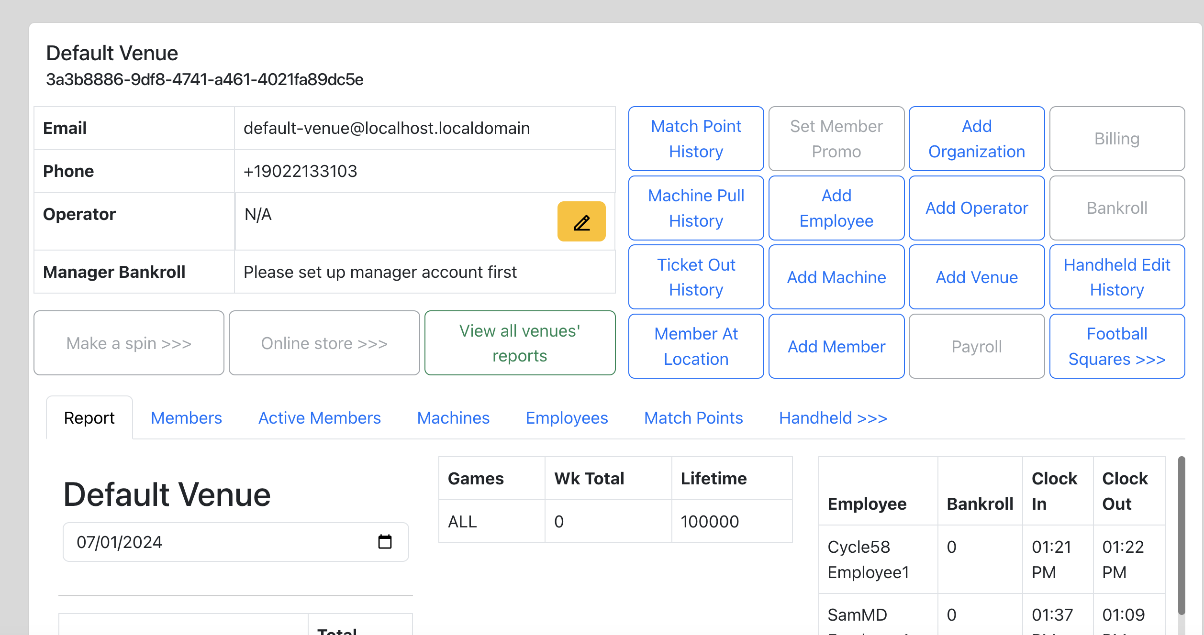
 | 2024-07-04 | 10:10am | John Doe2 | 10002 | Deposit
 | 2024-07-03 | 10:09am | John Doe3 | 10003 | Deposit
 | 2024-07-02 | 10:05am | John Doe4 | 10004 | Redeem | -30
 | 2024-07-01 | 10:00am | John Doe5 | 10005 | Deposit
 | 2024-06-30 | 10:05am | John Doe6 | 10006 | Deposit
 | 2024-06-29 | 10:00am | John Doe7 | 10007 | Redeem
 | 2024-06-28 | 10:05am | John Doe8 | 10008 | Deposit
 | 2024-06-27 | 10:00am | John Doe9 | 10009 | Deposit
 | 2024-06-26 | 10:05am | John Doe10 | 10010 | Redeem | 100

 |  |  |  |  |  |  |  |  |  |  |  | 5
 | FaceBook Deposit
 | Search> |  | Submit |  |  |  | King of Pop * Vegas X * Mega Spin * Mafia * Game Room * Acebook * VBlink * Orionstars * Fire Kirin * Cash Machine * Panda master * Game Vault (New) * Ninja Fuze (New) * Milkyway (New) * Ultrapanda (New) * Riversweeps (New) (( Let us know whic
 | Copy & Paste>> | Here
 |  | No Result | Create

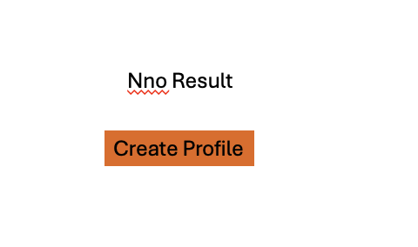
 | Name | Fb ID
 | John Doe1 | 122222211
 |  | < Game List
 | Gaming Platform> | MegaSpin | Go To Game Admin
 | Account Name | LoganNG6MS | If no Account found>
 | Game ID | 93402 |  | <Click to go Game Platform URL. Open new window

 | Transaction Type | deposit | <Drop list
 | Amount Input> | 20 | 10,20,40, 50, 100, Other
 | Bonus | 5 | Bonus type list
 | Total | $25 |  |  | LoganNG6MS

 | Payment App | Cashapp | <Payment App List
 | Sender | $SirLogan616 | <input
 | Receiver | $marher3 | Input

 |  |  | Save Button

